134.604-A.page1
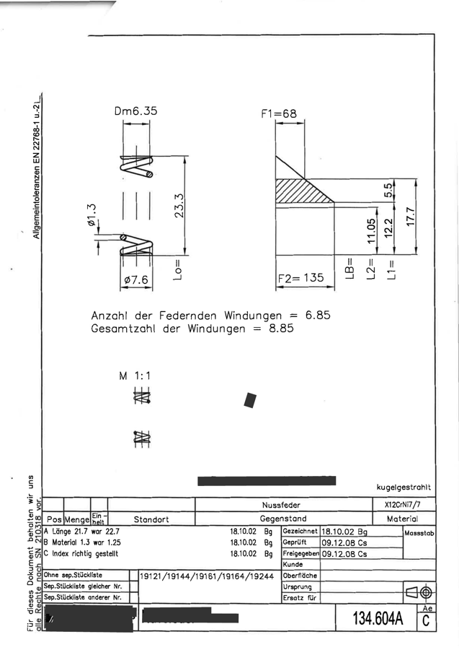
parameter | predicted | ground_truth
body_diameter_correction | 1.25
external_diameter | 7.6
final_closed_coils | 1
free_length | 23.3
initial_closed_coils | 1
pitch_insertion_coils | 6.85
pitch_retraction_coils | 2
spring_function | compression
spring_type | cylindrical
total_coils | 8.85
wire_diameter | 1.3
wire_material | stainless_steel

Spring 1 - wire diameter 0,20.p
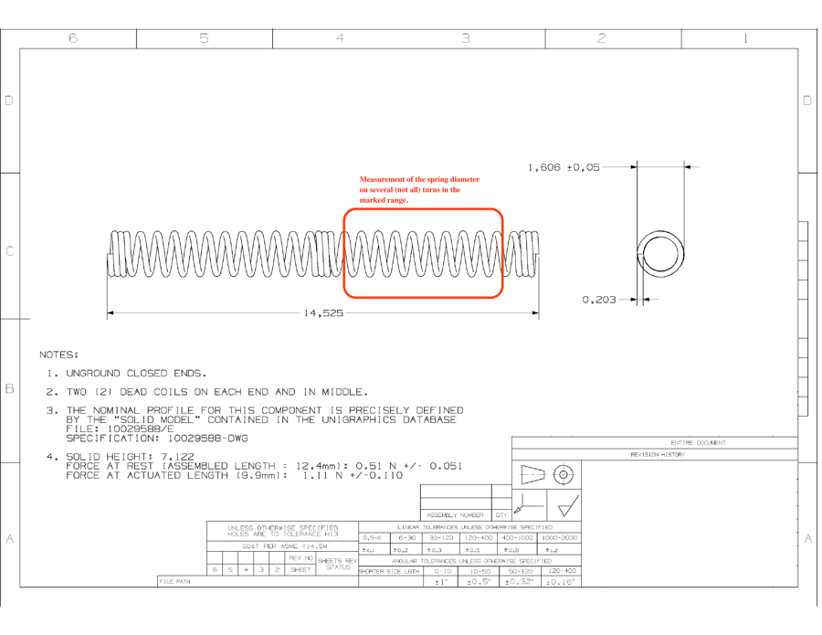
parameter | predicted | ground_truth
body_diameter_correction | 0.203
external_diameter | 1.606
final_closed_coils | 2
free_length | 14.525
initial_closed_coils | 2
pitch_insertion_coils | 9
pitch_retraction_coils | 9
spring_function | compression
spring_type | cylindrical
total_coils | 28
wire_diameter | 5.156
wire_material | stainless_steel

Spring 2 - wire diameter 0,23.p
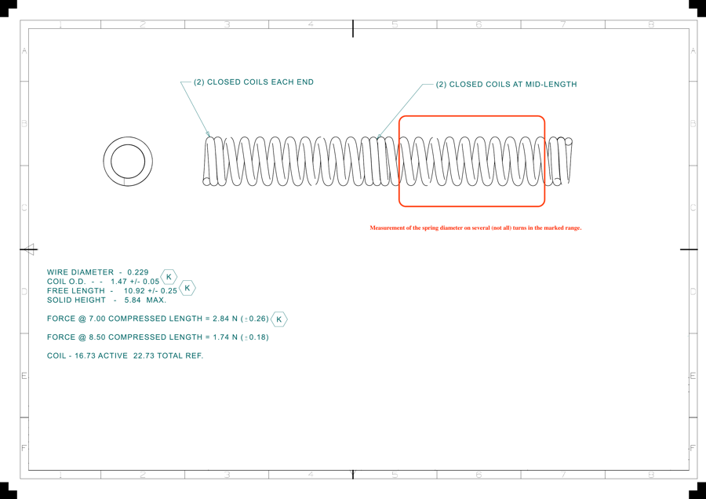
parameter | predicted | ground_truth
body_diameter_correction | 0
external_diameter | 1.47
final_closed_coils | 2
free_length | 10.92
initial_closed_coils | 2
pitch_insertion_coils | 8
pitch_retraction_coils | 8
spring_function | compression
spring_type | cylindrical
total_coils | 22.73
wire_diameter | 5.817
wire_material | stainless_steel

